可及性（全样本）
the public environment, the corridor environment, and the indoor environment |  |  |  |  |  | 问题：关键词和原版不一样，是否可以按这个改？
 |  |  |  |  |  | 文章里说明一下，按中文含义来
n=817 | Rank order | Location | Number of items | Environmental barrier | Average accessibility problem score | n | (%) |  |  | vars | n | mean | sd | median | trimmed | mad | min | max | range | skew | kurtosis | se
 | 1 | Stairs in corridors | B12 | Stairs the only route (no lift/ramp). | 10.95 | 211 | 25.83 | 817 | B12 | 28 | 817 | 10.95 | 4.32 | 9 | 9.79 | 0 | 9 | 35 | 26 | 2.61 | 6.86 | 0.15
 | 2 | Kitchen | C21 | Wall-mounted cupboards and shelves placed high. | 5.73 | 395 | 48.35 | 817 | C21 | 45 | 817 | 5.73 | 7.82 | 0 | 4.3 | 0 | 0 | 39 | 39 | 1.27 | 0.8 | 0.27
 | 3 | Hygiene area | C46 | No grab bar at shower/bath and/ or toilet. | 5.68 | 571 | 69.89 | 817 | C46 | 53 | 817 | 5.68 | 6.02 | 5 | 4.82 | 7.41 | 0 | 26 | 26 | 0.98 | 0.28 | 0.21
 | 4 | Stairs in corridors | B16 | No handrails/handrail on one side only. | 3.75 | 442 | 54.10 | 817 | B16 | 30 | 817 | 3.75 | 4.62 | 2 | 3.01 | 2.97 | 0 | 18 | 18 | 1.02 | -0.09 | 0.16
 | 5 | Doors in corridors | B9 | Doors that do not stay in open position/close quickly. | 3.37 | 318 | 38.92 | 817 | B9 | 26 | 817 | 3.37 | 5.25 | 0 | 2.29 | 0 | 0 | 24 | 24 | 1.45 | 1.07 | 0.18
 | 6 | Publics in general | A16 | Passenger loading zones far from entrance. | 3.35 | 513 | 62.79 | 817 | A16 | 1 | 817 | 3.35 | 3.42 | 3 | 3.07 | 4.45 | 0 | 13 | 13 | 0.41 | -1.21 | 0.12
 | 7 | Publics in general | A7 | High kerbs. | 3.31 | 480 | 58.75 | 817 | A7 | 8 | 817 | 3.31 | 4.26 | 1 | 2.56 | 1.48 | 0 | 19 | 19 | 1.28 | 0.94 | 0.15
 | 8 | Publics in general | A5 | Routes with steps. | 3.24 | 367 | 44.92 | 817 | A5 | 6 | 817 | 3.24 | 4.74 | 0 | 2.31 | 0 | 0 | 23 | 23 | 1.41 | 1.17 | 0.17
 | 9 | Publics in general | A10 | No handrails on steep gradients | 3.11 | 396 | 48.47 | 817 | A10 | 10 | 817 | 3.11 | 4.25 | 0 | 2.36 | 0 | 0 | 14 | 14 | 1.09 | -0.18 | 0.15
 | 10 | Indoors in general | B6 | Heavy doors without automatic opening. | 2.78 | 381 | 46.63 | 817 | B6 | 25 | 817 | 2.78 | 4.28 | 0 | 1.91 | 0 | 0 | 22 | 22 | 1.68 | 2.47 | 0.15
 |  |  |  |  |  |  |  |  | B2 | 22 | 817 | 2.68 | 3.98 | 0 | 1.89 | 0 | 0 | 20 | 20 | 1.52 | 1.56 | 0.14
问题：之前是以功能区和单一环境障碍为单位进行可及性分数排序，现在觉得以单一环境障碍为单位进行可及性分数排序就好。 |  |  |  |  |  |  |  |  | A4 | 5 | 817 | 2.57 | 4.04 | 0 | 1.75 | 0 | 0 | 19 | 19 | 1.47 | 1.21 | 0.14
可以 |  |  |  |  |  |  |  |  | A20 | 13 | 817 | 2.51 | 3.7 | 0 | 1.79 | 0 | 0 | 13 | 13 | 1.31 | 0.58 | 0.13
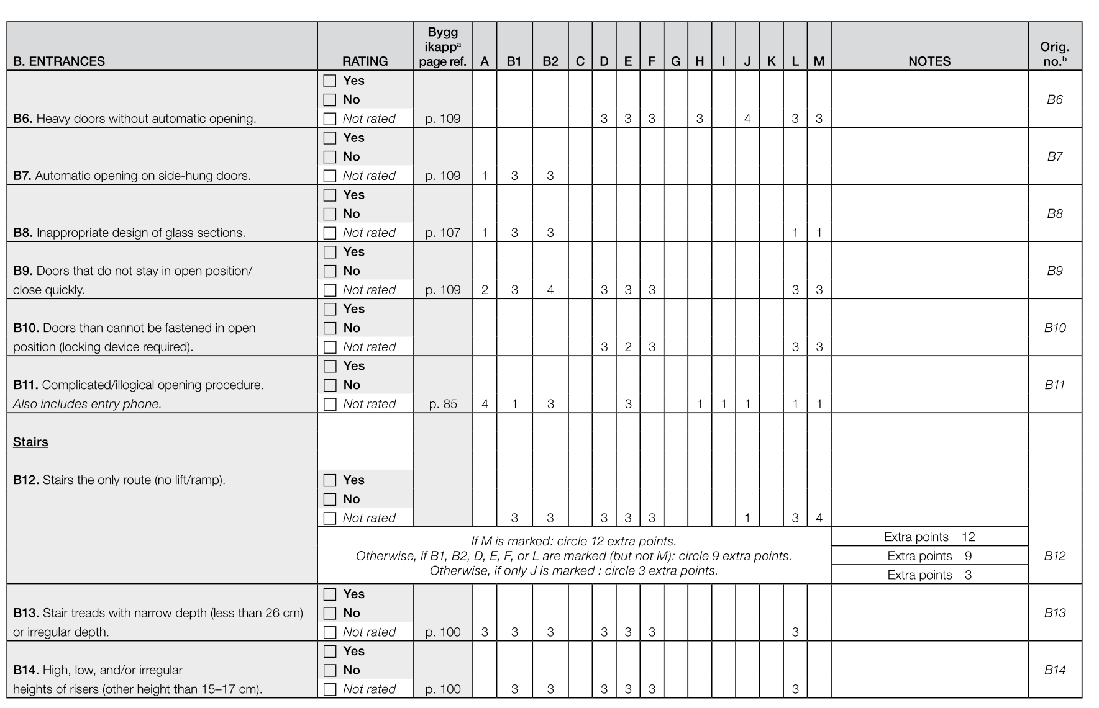
 |  |  |  |  |  |  |  |  | C20 | 44 | 817 | 2.46 | 4.43 | 0 | 1.45 | 0 | 0 | 23 | 23 | 1.89 | 2.99 | 0.15
 |  |  |  |  |  |  |  |  | A26 | 15 | 817 | 2.44 | 3.92 | 0 | 1.61 | 0 | 0 | 20 | 20 | 1.72 | 2.41 | 0.14
 |  |  |  |  |  |  |  |  | A25 | 14 | 817 | 2.19 | 3.85 | 0 | 1.3 | 0 | 0 | 20 | 20 | 1.87 | 2.82 | 0.13
 |  |  |  |  |  |  |  |  | B44 | 33 | 817 | 1.86 | 3.75 | 0 | 0.89 | 0 | 0 | 20 | 20 | 2.19 | 4.17 | 0.13
 |  |  |  |  |  |  |  |  | A28 | 17 | 817 | 1.80 | 3.91 | 0 | 0.78 | 0 | 0 | 23 | 23 | 2.37 | 5.44 | 0.14
 |  |  |  |  |  |  |  |  | A8 | 9 | 817 | 1.73 | 3.43 | 0 | 0.84 | 0 | 0 | 15 | 15 | 2.09 | 3.6 | 0.12
 |  |  |  |  |  |  |  |  | A11 | 11 | 817 | 1.56 | 3.31 | 0 | 0.69 | 0 | 0 | 15 | 15 | 2.12 | 3.53 | 0.12
 |  |  |  |  |  |  |  |  | A3 | 4 | 817 | 1.49 | 3.61 | 0 | 0.47 | 0 | 0 | 21 | 21 | 2.65 | 6.65 | 0.13
 |  |  |  |  |  |  |  |  | A12 | 12 | 817 | 1.46 | 2.56 | 0 | 0.89 | 0 | 0 | 13 | 13 | 1.81 | 2.73 | 0.09
 |  |  |  |  |  |  |  |  | C1 | 34 | 817 | 1.45 | 3.36 | 0 | 0.53 | 0 | 0 | 20 | 20 | 2.6 | 6.61 | 0.12
 |  |  |  |  |  |  |  |  | C63 | 54 | 817 | 1.37 | 1.62 | 0 | 1.26 | 0 | 0 | 6 | 6 | 0.57 | -0.88 | 0.06
 |  |  |  |  |  |  |  |  | C26 | 47 | 817 | 1.31 | 2.84 | 0 | 0.57 | 0 | 0 | 17 | 17 | 2.66 | 7.84 | 0.1
 |  |  |  |  |  |  |  |  | C85 | 18 | 817 | 1.28 | 3.24 | 0 | 0.35 | 0 | 0 | 20 | 20 | 2.78 | 7.43 | 0.11
 |  |  |  |  |  |  |  |  | B11 | 27 | 817 | 1.28 | 2.92 | 0 | 0.49 | 0 | 0 | 16 | 16 | 2.44 | 5.32 | 0.1
 |  |  |  |  |  |  |  |  | A27 | 16 | 817 | 1.22 | 3.59 | 0 | 0.18 | 0 | 0 | 23 | 23 | 3.47 | 12.69 | 0.13
 |  |  |  |  |  |  |  |  | B14 | 29 | 817 | 1.13 | 3.25 | 0 | 0.17 | 0 | 0 | 18 | 18 | 3 | 8.23 | 0.11
 |  |  |  |  |  |  |  |  | C14 | 42 | 817 | 1.04 | 2.95 | 0 | 0.15 | 0 | 0 | 16 | 16 | 2.95 | 7.91 | 0.1
 |  |  |  |  |  |  |  |  | C9 | 41 | 817 | 1.03 | 3.2 | 0 | 0.08 | 0 | 0 | 20 | 20 | 3.46 | 12.06 | 0.11
 |  |  |  |  |  |  |  |  | C38 | 48 | 817 | 0.99 | 1.82 | 0 | 0.56 | 0 | 0 | 8 | 8 | 1.72 | 1.7 | 0.06
 |  |  |  |  |  |  |  |  | C40 | 49 | 817 | 0.93 | 1.55 | 0 | 0.68 | 0 | 0 | 8 | 8 | 1.47 | 1.74 | 0.05
 |  |  |  |  |  |  |  |  | B17 | 31 | 817 | 0.92 | 1.78 | 0 | 0.49 | 0 | 0 | 8 | 8 | 1.93 | 2.78 | 0.06
 |  |  |  |  |  |  |  |  | A6 | 7 | 817 | 0.90 | 1.17 | 0 | 0.75 | 0 | 0 | 3 | 3 | 0.74 | -1.13 | 0.04
 |  |  |  |  |  |  |  |  | C8 | 40 | 817 | 0.89 | 3.14 | 0 | 0 | 0 | 0 | 20 | 20 | 3.9 | 15.12 | 0.11
 |  |  |  |  |  |  |  |  | C57 | 58 | 817 | 0.87 | 1.7 | 0 | 0.45 | 0 | 0 | 8 | 8 | 1.87 | 2.32 | 0.06
 |  |  |  |  |  |  |  |  | C79 | 37 | 817 | 0.86 | 1.69 | 0 | 0.43 | 0 | 0 | 8 | 8 | 1.93 | 2.56 | 0.06
 |  |  |  |  |  |  |  |  | C86 | 19 | 817 | 0.83 | 2.79 | 0 | 0.03 | 0 | 0 | 20 | 20 | 3.89 | 15.68 | 0.1
 |  |  |  |  |  |  |  |  | C81 | 38 | 817 | 0.80 | 1.49 | 0 | 0.53 | 0 | 0 | 8 | 8 | 1.77 | 2.93 | 0.05
 |  |  |  |  |  |  |  |  | C45 | 52 | 817 | 0.80 | 1.92 | 0 | 0.29 | 0 | 0 | 11 | 11 | 2.88 | 9.12 | 0.07
 |  |  |  |  |  |  |  |  | C42 | 50 | 817 | 0.77 | 1.88 | 0 | 0.27 | 0 | 0 | 12 | 12 | 3.24 | 11.69 | 0.07
 |  |  |  |  |  |  |  |  | C22 | 46 | 817 | 0.76 | 1.43 | 0 | 0.45 | 0 | 0 | 8 | 8 | 3.02 | 10.63 | 0.05
 |  |  |  |  |  |  |  |  | C59 | 59 | 817 | 0.74 | 1.44 | 0 | 0.47 | 0 | 0 | 8 | 8 | 1.84 | 3.15 | 0.05
 |  |  |  |  |  |  |  |  | A1 | 2 | 817 | 0.71 | 2.19 | 0 | 0.06 | 0 | 0 | 12 | 12 | 3.32 | 10.88 | 0.08
 |  |  |  |  |  |  |  |  | C15 | 43 | 817 | 0.71 | 2.12 | 0 | 0.09 | 0 | 0 | 12 | 12 | 3.25 | 10.05 | 0.07
 |  |  |  |  |  |  |  |  | C83 | 39 | 817 | 0.65 | 1.78 | 0 | 0.16 | 0 | 0 | 12 | 12 | 3.63 | 14.7 | 0.06
 |  |  |  |  |  |  |  |  | C70 | 56 | 817 | 0.60 | 1.66 | 0 | 0.14 | 0 | 0 | 10 | 10 | 3.46 | 13.25 | 0.06
 |  |  |  |  |  |  |  |  | C61 | 60 | 817 | 0.60 | 1.72 | 0 | 0.12 | 0 | 0 | 12 | 12 | 3.77 | 15.99 | 0.06
 |  |  |  |  |  |  |  |  | A2 | 3 | 817 | 0.46 | 1.73 | 0 | 0 | 0 | 0 | 17 | 17 | 4.43 | 22.47 | 0.06
 |  |  |  |  |  |  |  |  | C71 | 57 | 817 | 0.43 | 1.59 | 0 | 0 | 0 | 0 | 12 | 12 | 4.46 | 22 | 0.06
 |  |  |  |  |  |  |  |  | C44 | 51 | 817 | 0.38 | 1.27 | 0 | 0.06 | 0 | 0 | 9 | 9 | 4.52 | 23.64 | 0.04
 |  |  |  |  |  |  |  |  | C64 | 55 | 817 | 0.38 | 1.24 | 0 | 0 | 0 | 0 | 7 | 7 | 3.55 | 12.95 | 0.04
 |  |  |  |  |  |  |  |  | C87 | 20 | 817 | 0.34 | 1.52 | 0 | 0 | 0 | 0 | 12 | 12 | 5.52 | 32.46 | 0.05
 |  |  |  |  |  |  |  |  | B3 | 23 | 817 | 0.33 | 1.27 | 0 | 0 | 0 | 0 | 7 | 7 | 4.16 | 17.26 | 0.04
 |  |  |  |  |  |  |  |  | B43 | 32 | 817 | 0.23 | 1.1 | 0 | 0 | 0 | 0 | 7 | 7 | 5.17 | 26.68 | 0.04
 |  |  |  |  |  |  |  |  | B1 | 21 | 817 | 0.22 | 1.09 | 0 | 0 | 0 | 0 | 7 | 7 | 5.32 | 28.29 | 0.04
 |  |  |  |  |  |  |  |  | C3 | 35 | 817 | 0.20 | 1.03 | 0 | 0 | 0 | 0 | 7 | 7 | 5.64 | 32.12 | 0.04
 |  |  |  |  |  |  |  |  | B5 | 24 | 817 | 0.19 | 0.93 | 0 | 0 | 0 | 0 | 6 | 6 | 5.18 | 26.98 | 0.03
 |  |  |  |  |  |  |  |  | C4 | 36 | 817 | 0.19 | 1.12 | 0 | 0 | 0 | 0 | 8 | 8 | 6.26 | 38.91 | 0.04

